Sheet1
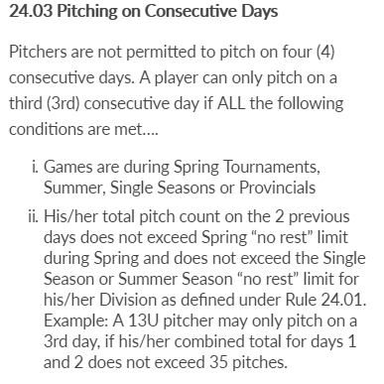
Start Date: | 2019-06-29
Player | Can Pitch Again On | Sat Jun-29 | Sun Jun-30 | Mon Jul-01 | Tue Jul-02 | Wed Jul-03 | Thu Jul-04 | Fri Jul-05 | Sat Jul-06 | Sun Jul-07 | Mon Jul-08 | Tue Jul-09 | Wed Jul-10 | Thu Jul-11 | Fri Jul-12 | Sat Jul-13 | Sun Jul-14 | Mon Jul-15 | Tue Jul-16 | Wed Jul-17 | Thu Jul-18 | Fri Jul-19 | Sat Jul-20 | Sun Jul-21 | Mon Jul-22 | Tue Jul-23 | Wed Jul-24 | Thu Jul-25 | Fri Jul-26 | Sat Jul-27 | Sun Jul-28 | Mon Jul-29 | Tue Jul-30 | Wed Jul-31 | Thu Aug-01 | Fri Aug-02 | Sat Aug-03 | Sun Aug-04 | Mon Aug-05 | Tue Aug-06 | Wed Aug-07 | Thu Aug-08 | Fri Aug-09 | Sat Aug-10 | Sun Aug-11 | Mon Aug-12 | Tue Aug-13 | Wed Aug-14 | Thu Aug-15 | Fri Aug-16 | Sat Aug-17 | Sun Aug-18 | Mon Aug-19 | Tue Aug-20 | Wed Aug-21 | Thu Aug-22 | Fri Aug-23 | Sat Aug-24 | Sun Aug-25 | Mon Aug-26 | Tue Aug-27 | Wed Aug-28 | Thu Aug-29 | Fri Aug-30 | Sat Aug-31 | Sun Sep-01 | Mon Sep-02 | Tue Sep-03 | Wed Sep-04 | Thu Sep-05 | Fri Sep-06 | Sat Sep-07 | Sun Sep-08 | Mon Sep-09 | Tue Sep-10 | Wed Sep-11 | Thu Sep-12 | Fri Sep-13 | Sat Sep-14 | Sun Sep-15 | Mon Sep-16 | Tue Sep-17 | Wed Sep-18 | Thu Sep-19 | Fri Sep-20 | Sat Sep-21 | Sun Sep-22 | Mon Sep-23 | Tue Sep-24 | Wed Sep-25 | Thu Sep-26 | Fri Sep-27 | Sat Sep-28 | Sun Sep-29 | Mon Sep-30 | Tue Oct-01 | Wed Oct-02 | Thu Oct-03 | Fri Oct-04 | Sat Oct-05 | Sun Oct-06 | Mon Oct-07 | Tue Oct-08 | Wed Oct-09 | Thu Oct-10 | Fri Oct-11 | Sat Oct-12 | Sun Oct-13 | Mon Oct-14 | Tue Oct-15 | Wed Oct-16 | Thu Oct-17 | Fri Oct-18 | Sat Oct-19 | Sun Oct-20 | Mon Oct-21 | Tue Oct-22 | Wed Oct-23 | Thu Oct-24 | Fri Oct-25 | Sat Oct-26 | Sun Oct-27 | Mon Oct-28 | Tue Oct-29 | Wed Oct-30 | Thu Oct-31 | Fri Nov-01 | Sat Nov-02 | Sun Nov-03 | Mon Nov-04 | Tue Nov-05 | Wed Nov-06 | Thu Nov-07 | Fri Nov-08 | Sat Nov-09 | Sun Nov-10 | Mon Nov-11 | Tue Nov-12 | Wed Nov-13 | Thu Nov-14 | Fri Nov-15 | Sat Nov-16 | Sun Nov-17
Player 1 | Wed Jul-03
Player 2 | Wed Jul-03
Player 3 | Wed Jul-03
Player 4 | Wed Jul-03
Player 5 | Wed Jul-03
Player 6 | Wed Jul-03
Player 7 | Wed Jul-03
Player 8 | Wed Jul-03
Player 9 | Wed Jul-03
Player 10 | Wed Jul-03
Player 11 | Wed Jul-03
Player 12 | Wed Jul-03
Player 13 | Wed Jul-03
Player 14 | Wed Jul-03
Player 15 | Wed Jul-03

Bantam (Summer)
0 | 0
46 | 2
76 | 3
96 | over!
Note. When you make a mistake (e.g., enter value in wrong cell), copy the formula from a cell in the same row to the cell you made the mistake.

